LR
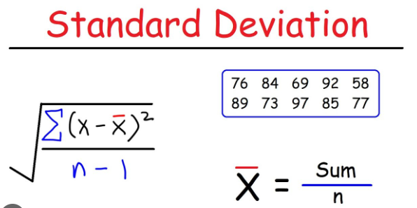
Correct (x) | Attitude (y) | x - mean (x) | y - mean(y) | [x - mean(x)] x [y - mean(y)] | [x - mean(x)]^2 | [y - mean(y)]^2
17 | 94 | 1.40 | 14.30 | 20.02 | 1.96 | 204.49
13 | 73 | -2.60 | -6.70 | 17.42 | 6.76 | 44.89
12 | 59 | -3.60 | -20.70 | 74.52 | 12.96 | 428.49
15 | 80 | -0.60 | 0.30 | -0.18 | 0.36 | 0.09
16 | 93 | 0.40 | 13.30 | 5.32 | 0.16 | 176.89
14 | 85 | -1.60 | 5.30 | -8.48 | 2.56 | 28.09
16 | 66 | 0.40 | -13.70 | -5.48 | 0.16 | 187.69
16 | 79 | 0.40 | -0.70 | -0.28 | 0.16 | 0.49
18 | 77 | 2.40 | -2.70 | -6.48 | 5.76 | 7.29
19 | 91 | 3.40 | 11.30 | 38.42 | 11.56 | 127.69

15.6 | 79.7 |  |  | 134.80 | 42.40 | 1206.10
(Mean) | (Mean) |  |  | (Sum) | (Sum) | (Sum)

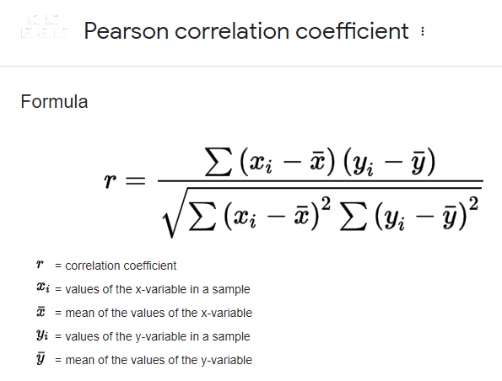
Pearson Correlation Coefficient |  |  | Linear Regression | y = a + bx
 |  |  | Slope (b) of Regression Line | b = r * (Sy / Sx)
 |  |  | Y-Intercept (a) of Regression Line | a = mean(y) - b[mean(x)]

 |  |  | Sy | 11.576
 |  |  | Sx | 2.1705
 |  |  | b | 3.1792
 |  |  | a | 30.103773585

 |  |  | y | 77.7925 | Assume 15

r | 0.59609476139

